About
Nykaa

Sector of Nykaa | E-commerce
Industry of Nykaa | Cosmetics Retail

About Nykaa Ltd:
"Nykaa" is a digitally native consumer technology platform, delivering a content-led, lifestyle retail experience to consumers. The company has a diverse portfolio of beauty, personal care, and fashion products, including owned brand products manufactured by it.

A)Nykaa - Beauty and Personal care (90% of the revenue) - The company offers 256,149 SKUs from 2,644 brands primarily across make-up, skincare, haircare, bath and body, fragrance, grooming appliances, personal care, and health and wellness categories online beauty and personal care platforms in India. Apart from the tie ups with several suppliers, the company also has its own brands such as “Nykaa Cosmetics”, “Nykaa Naturals” and “Kay Beauty”. The segment operates based on the "Inventory led model" where the company procures products in bulk and stores them at their warehouse and sells them upon receiving orders from its customers.
B) Nykaa Fashion - Apparel and Accessories (10% of the revenue) The segment was only launched in 2018 and now it has 1,434 brands and 2.8 million SKUs with fashion products across four divisions: women, men, kids, and home. Within these consumer divisions, we merchandise across several categories including western wear, Indian wear, lingerie, footwear, bags, jewelry, accessories, athleisure, home décor, bath, bed, and kitchen in order to cater to the diverse consumers’ journeys across its platform. The segment is based on the ‘’Managed Market place’’ model where the company doesn’t maintain any inventory, instead it receives the order from its customers and redirects them to its vendors and the vendors ship the product to the Customers.
Online Channel (90% of GMV)- Mobile applications, websites, and mobile sites. As of August 31, 2021, cumulative downloads of 55.8 million. 88.2% of online GMV came through mobile apps. They have one of the highest shares of mobile application-led transactions, among the leading online retail platforms in India.
Offline Channel 1. Nykaa Luxe – Average 1134 sq feet in size. Present in A-grade malls and high streets. showcases luxury beauty experience. 38 Nykaa luxe stores. 2. Nykaa on-trend – Average 732 sq feet in size. Showcases current best-selling products across beauty and personal care brands. 32 Nykaa on-trend stores. 3. Nykaa Kiosks – Free-standing units in the atriums of Shopping Malls. Showcases Nykaa owned brands. 9 such Kiosks.

 |  | -

Narrative
Nykaa Narrative

How Nykaa started?: The problem of counterfeit makeup was a much larger problem back then. Women thought they were paying for authentic product. You’d get swarmed by hawkers selling the Maybelline Colossal Kajal counterfeit and even if you used the original product all these years, you couldn’t recognise any difference in its packaging. This was the same problem in buying things online. Amazon and Flipkart had dodgy sellers for makeup with inconsistent pricing. Falguni Nayar, the Founder & CEO spotted this problem and started the company in 2012 and invested a couple of million dollars of her own money. Nykaa would buy in bulk from the makeup companies, warehouse it and when the item was sold, do the shipping and fulfilment for the order. In 2012 the company was having 10 orders per day to a 100 orders per day in October 2013. The company in 2014 raised $3.5 Million in Series A, $9.5 Million in Series B in 2015, Rs 100 crores from Harsh Mariwala in 2016 for Series C. Valuation of Nykaa for Series C was 775 Crores. The company had expanded to physical stores by then for increasing brand visibility. By 2017 the company was processing 10-15,000 orders per day. The company now has 18 warehouses and 73 retail stores. Nykaa pre-IPO has raised $341 Million dollars through 13 rounds.
Nykaa's Market: Major revenues comes from Nykaa's beauty care and personal care products market. However, the supply of the Beauty and Personal Products (BCP) category is very scattered. No brand has more than 1-2% market share in categories as consumer loyalty is very fickle and susceptible to new launches and trends. This gives the retailer an advantage over the brand. Market share plays a major role in Nykaa's valuation. Nykaa is a margin and a sales story. Mostly sales, because the management is focused on sales growth and covering TAM as much as possible without taking on debt. A "Big Market Illusion" can be an argument which can affect valuations.
Competitive Advantages (Strong Networking) - Nykaa’s biggest moat isn’t its platform or the network of offline stores or even its brand, its something else entirely, something that even its closest competitors do not excel at - content. Nykaa is a content generating machine. Nykaa Network is the company’s social media platform, where users can talk about everything related to beauty and fashion. A quick glance at the platform and you will notice it looks very similar to any other social media platform - except users can directly buy products while navigating the platform. This type of commerce is already huge in China and has transformed the online shopping experience. Taobao Live, is an app by Alibaba, that helps influencers sell products while live streaming. Last year it sold Gross Merchandise Value worth over USD 70 Billion.
The Customers and Pain Points: Nykaa is a discretionary spend, but, if sales are increasing and if one believes the management and also sees their products everywhere in physical stores and/or online, then may be it is not a discretionary spend and part of lifestyle. There is a clear gap in the options available to the target consumer - women, esp. the ones residing in Tier 2 and Tier 3 cities and towns across India. High prevalence of counterfeit goods sold by small stores and unavailability of every single product that a customer may demand, is hurting their growth and diverting the sales to online platforms like Nykaa.
Pricing: Nykaa makes a profit of about Rs 250 to Rs 300 per average order value of Rs 2000, in the Beauty and Personal Products (BPC) Category.
Revenues to Profits: Nykaa biggest expenditure is also their biggest asset aka Advertising and Marketing Expense. They make 8.94% Operating Profit Margin in FY22.
Competition: Myntra was the latest to announce its foray into Beauty and Product Category. Then there are startups like Purplle, who have been trying to compete with Nykaa since the beginning. Even though Purplle started before Nykaa, it has lost market share and struggled to keep up with Nykaa’s pace. Though entry of these new players mean increased competition, I believe Nykaa will still be able to protect its market share, thanks to its content moat. Nykaa is more than a platform to its customers today, it’s a platform built on their trust. International Players like L'Oréal, International Flavors and Givaudan can also enter the market
How Much Capital Intensive?: Nykaa makes Rs. 2.46 for every Rs. 1 of Invested Capital in FY22. However, the 75th percentile of gross industry makes Rs. 1.56 for every Rs. 1 of Invested Capital in FY22. Nykaa spent Rs. 510.84 millions in acquitions like Dot & Key Wellness at 51% stake in FY22. I projected Nykaa to reinvest roughly Rs.19,580 million on average for the next 10 years to achieve a Sales CAGR of 23.79% in next 10 years. Nykaa has a reinvestment rate of 178.98% in FY22 which is mostly due to their advertising and marketing expenditure (which I treated as an asset rather than an expense in my valuation).

Risk Free Rate
Risk Free Rate - India

 |  | Credit Rating | Avg Default Spread (%)
Risk Free Rate | 5.43% | Aaa | 0.00%
 |  | Aa1 | 0.34%
India 10-Year Government Bond Yield | 7.3% | Aa2 | 0.42%
India Credit Rating (Fitch - 06/10/2022) | Baa3 | Aa3 | 0.51%
India's Default Spread | 1.87% | A1 | 0.60%
 |  | A2 | 0.72%
(Risk Free Rate = 10 Year Gov Bond - Default Spread) |  | A3 | 1.02%
 |  | Baa1 | 1.36%
Countries credit rating same as India |  | Baa2 | 1.62%
Cyprus |  | Baa3 | 1.87%
Mexico |  | Ba1 | 2.13%
Panama |  | Ba2 | 2.56%
Romania |  | Ba3 | 3.06%
Uruguay |  | B1 | 3.83%
Croatia |  | B2 | 4.68%
Kazakhstan |  | B3 | 5.53%
Montserrat |  | Caa1 | 6.38%
Trinidad and Tobago |  | Caa2 | 7.66%
 |  | Caa3 | 8.51%
 |  | Ca | 10.21%
 |  | C | 17.50%

Risk Free Rate:
5.43%
India ERP:
3.96%
Beta:
0.88
US Risk Free:
2.83%
India's Risk:
3.01%
Nykaa's Risk:
7.78%

Cost of Equity:
8.93%
Cost of Debt:
13.62%
WACC:
8.94%

Cost of Equity & Debt
Cost of Equity & Debt
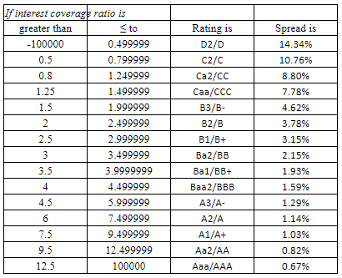
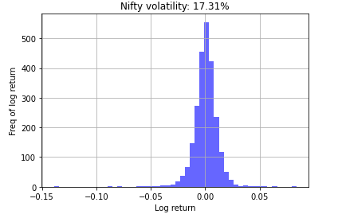
Cost of Equity

Risk Free Rate - Rf | 5.43%
Equity Risk Premium | 3.96%
Beta (Nykaa) | 0.88

Cost of Equity | 8.93%

(Cost of Equity = Risk Free Rate + Beta * Equity Risk Premium)

Pre-Tax Cost of Debt

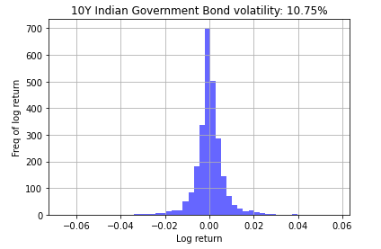
US Risk Free Rate - Rf | 2.83%
Lambda (λ) | 1.61
India's Default Spread | 1.87%
Nykaa Risk Premium | 7.78%

Cost of Debt | 13.62%

(Cost of Debt = Rf + λ* India's Default Spread + Co. Risk Premium) |  | "Synthetic" Trent Ltd Risk Premium
 |  |  | 2018 | 2019 | 2020 | 2021 | 2022
Source: |  | Interest | 27.0 | 46.0 | 32.0 | 47.0 | 53.0
10 Year Bond Yield Historical Data (Investing.com) |  | EBIT | (10.0) | 23.0 | 86.0 | 68.0 | 74.0
ICR Synthetic Rating |  | ICR (%) | (0.4) | 0.5 | 2.7 | 1.4 | 1.4
Standard Deviation with Python |  | Average ICR (%) |  |  |  |  | 1.4

Industry & Revenues
Industry and Revenues
 | Indian |  |  |  |  | Indian
 | Beauty Industry | Market Share | GMV | % | Revenues | Fashion Industry | Market Share | GMV | % | Revenues | Nykaa Revenues | Other | Other %
FY22 | ₹ 20,730,000 | 0.24% | ₹ 49,987 | 73.62% | ₹ 36,802.41 | ₹ 8,965,584 | 0.20% | ₹ 17,516 | 20.21% | ₹ 3,539.80 | ₹ 41,053.65 | ₹ 711.44 | 1.73%
FY23 | ₹ 22,473,393 | 0.32% | ₹ 71,245 | 73.76% | ₹ 52,551.58 | ₹ 9,484,691 | 0.26% | ₹ 24,265 | 20.19% | ₹ 4,898.62 | ₹ 58,036.15 | 585.96 | 1.00%
FY24 | ₹ 24,363,405 | 0.39% | ₹ 95,726 | 73.90% | ₹ 70,740.35 | ₹ 10,033,855 | 0.32% | ₹ 31,737 | 20.17% | ₹ 6,400.38 | ₹ 77,938.84 | 798.12 | 1.00%
FY25 | ₹ 26,412,368 | 0.47% | ₹ 123,819 | 74.04% | ₹ 91,671.94 | ₹ 10,614,815 | 0.38% | ₹ 39,992 | 20.15% | ₹ 8,056.94 | ₹ 100,772.67 | 1043.79 | 1.00%
FY26 | ₹ 28,633,648 | 0.54% | ₹ 155,962 | 74.17% | ₹ 115,683.69 | ₹ 11,229,413 | 0.44% | ₹ 49,097 | 20.13% | ₹ 9,881.04 | ₹ 126,892.09 | 1327.36 | 1.00%
FY27 | ₹ 31,041,738 | 0.62% | ₹ 192,635 | 74.31% | ₹ 143,150.67 | ₹ 11,879,596 | 0.50% | ₹ 59,123 | 20.10% | ₹ 11,886.36 | ₹ 156,690.71 | 1653.68 | 1.00%
FY28 | ₹ 33,031,513 | 0.72% | ₹ 236,316 | 74.48% | ₹ 176,017.38 | ₹ 12,567,425 | 0.57% | ₹ 72,044 | 20.08% | ₹ 14,465.35 | ₹ 192,568.15 | 2085.43 | 1.00%
FY29 | ₹ 35,148,833 | 0.81% | ₹ 284,805 | 74.66% | ₹ 212,624.11 | ₹ 13,295,078 | 0.65% | ₹ 86,264 | 20.05% | ₹ 17,297.88 | ₹ 232,504.10 | 2582.10 | 1.00%
FY30 | ₹ 37,401,873 | 0.91% | ₹ 338,540 | 74.83% | ₹ 253,322.66 | ₹ 14,064,863 | 0.72% | ₹ 101,889 | 20.03% | ₹ 20,404.38 | ₹ 276,879.05 | 3152.01 | 1.00%
FY31 | ₹ 39,799,333 | 0.95% | ₹ 379,117 | 74.91% | ₹ 284,011.59 | ₹ 14,879,219 | 0.76% | ₹ 113,411 | 20.01% | ₹ 22,697.01 | ₹ 310,326.37 | 3617.78 | 1.00%
FY32 | ₹ 42,350,471 | 1.00% | ₹ 423,505 | 75.00% | ₹ 317,628.53 | ₹ 15,740,726 | 0.80% | ₹ 125,926 | 20.00% | ₹ 25,185.16 | ₹ 346,955.74 | 4142.05 | 1.00%
FY33 | ₹ 45,065,136 | 1.00% | ₹ 450,651 | 75.00% | ₹ 337,988.52 | ₹ 16,652,114 | 0.80% | ₹ 133,217 | 20.00% | ₹ 26,643.38 | ₹ 369,141.76 | 4509.86 | 1.00%

 |  |  |  |  |  |  |  |  |  |  | Growth Rate Fashion % | 5.79%
 |  |  |  |  |  |  |  |  |  |  | Growth Rate Beauty % | 8.41%
 |  |  |  |  |  |  |  |  |  |  | Marginal Tax Rate | 25.17%

Nykaa's Market Size and Revenues

Value of Cross Holdings
Value of Cross Holdings

Do Nothing! It's already 100% part of the company.
Cross Holdings | Holding Type | % Owner | How to Deal? | Value of Equity
Nykaa E-Retail Private Limited | Fully Owned | 100% |  | ₹ -
FSN Brands Marketing Private Limited | Fully Owned | 100% |  | ₹ -
Nykaa Fashion Private Limited | Fully Owned | 100% |  | ₹ -
FSN International Private Limited | Fully Owned | 100% |  | ₹ -
FSN Distribution Private Limited | Fully Owned | 100% |  | ₹ -
Nykaa International UK Limited | Fully Owned | 100% |  | ₹ -
FSN Global FZE | Fully Owned | 100% |  | ₹ -
Value Company and Substract Non Owner.
Nykaa KK Beauty Private Limited | Majority Active | 51% |  | ₹ -1,537.93
Dot & Key Wellness Private Limited | Majority Active | 51% |  | ₹ -2,308.33

 |  |  | Value of Cross Holdings | ₹ -3,846.26

Nykaa KK Beauty Pvt Ltd
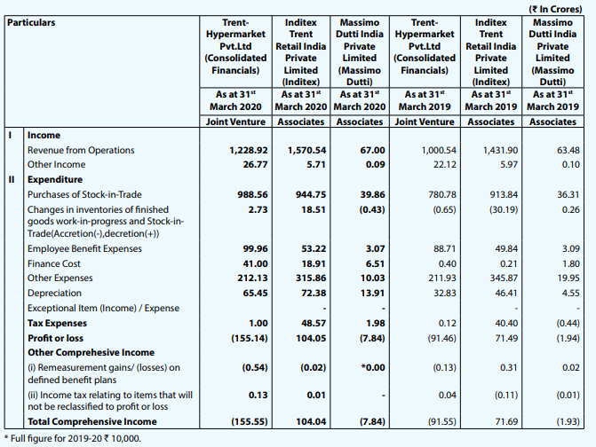
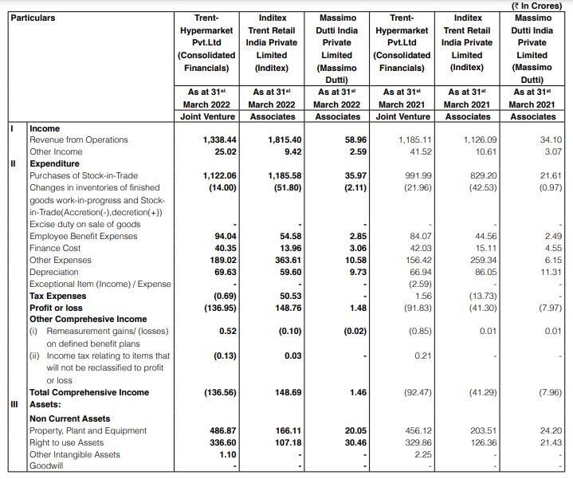
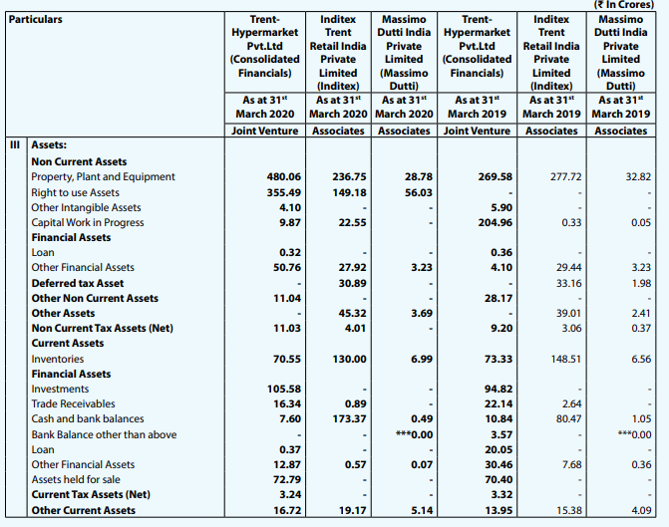
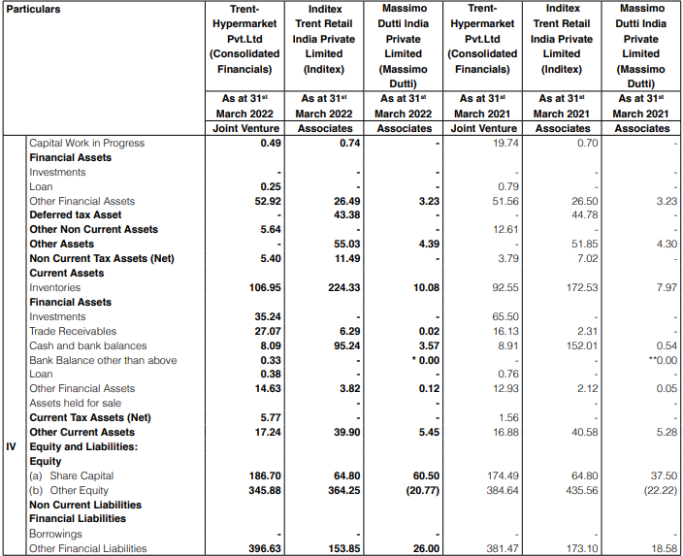
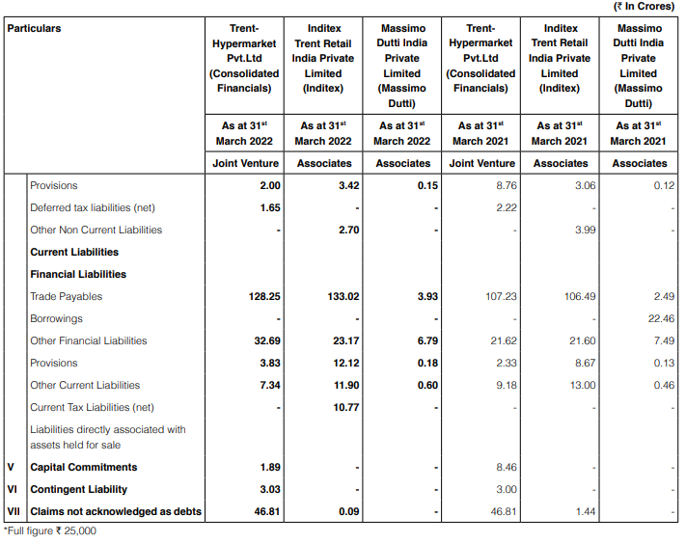
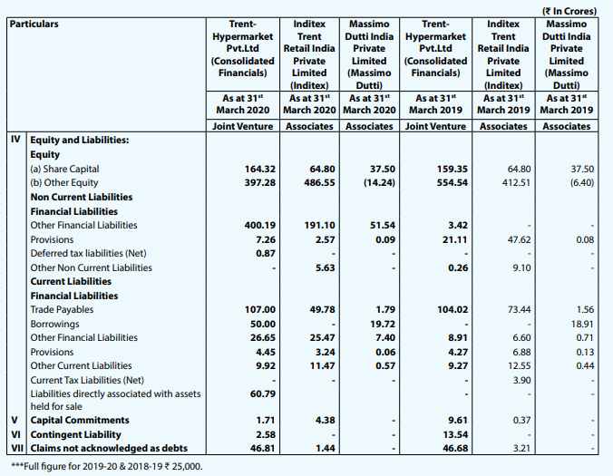
 | Nykaa KK Beauty Pvt Ltd - 51%

 | Risk Free Rate | 5.43% |  | Revenues | Rev. Growth | Op. Margin | EBIT | EBIT*(1-T) | Sales to Cap | Reinvestment | FCFF
 | Equity Risk Premium | 3.96% | LTM | ₹ 275.60 |  | 7.38% | ₹ 20.35 | ₹ 20.35 | 1.20
 | Beta | 1.93 | 1 | ₹ 826.80 | 200.00% | 7.65% | ₹ 63.21 | ₹ 47.30 | 1.47 | ₹ 374.07 | -₹ 326.76
 | Cost of Equity | 13.06% | 2 | ₹ 1,653.60 | 100.00% | 7.91% | ₹ 130.75 | ₹ 97.84 | 1.47 | ₹ 561.10 | -₹ 463.26
 | US Risk Free Rate - Rf | 2.83% | 3 | ₹ 3,141.84 | 90.00% | 8.17% | ₹ 256.65 | ₹ 192.05 | 1.47 | ₹ 1,009.98 | -₹ 817.93
 | Lambda (λ) | 1.61 | 4 | ₹ 5,341.13 | 70.00% | 8.43% | ₹ 450.27 | ₹ 336.94 | 1.47 | ₹ 1,492.53 | -₹ 1,155.59
 | India's Default Spread | 1.87% | 5 | ₹ 8,011.69 | 50.00% | 8.69% | ₹ 696.37 | ₹ 521.10 | 1.47 | ₹ 1,812.35 | -₹ 1,291.26
 | Risk Premium | 8.80% | 6 | ₹ 10,415.20 | 30.00% | 9.02% | ₹ 939.34 | ₹ 702.91 | 1.47 | ₹ 1,631.12 | -₹ 928.21
 | Cost of Debt | 14.64% | 7 | ₹ 12,498.24 | 20.00% | 9.35% | ₹ 1,168.08 | ₹ 874.08 | 1.47 | ₹ 1,413.64 | -₹ 539.56
 | Book Value of Debt | ₹ 165.86 | 8 | ₹ 14,372.98 | 15.00% | 9.67% | ₹ 1,390.30 | ₹ 1,040.36 | 1.47 | ₹ 1,272.27 | -₹ 231.91
 | Book Value of Equity | ₹ 68.11 | 9 | ₹ 15,379.08 | 7.00% | 9.84% | ₹ 1,512.76 | ₹ 1,132.00 | 1.47 | ₹ 682.79 | ₹ 449.21
 | WACC | 11.57% | 10 | ₹ 16,194.18 | 5.30% | 10.00% | ₹ 1,619.42 | ₹ 1,211.81 | 1.47 | ₹ 553.15 | ₹ 658.66
 | Interest | ₹ 16.18
 | EBIT | ₹ 20.35 |  | Inv. Capital | ROIC |  | Mature WACC |  |  | Terminal Value Calculation
 | ICR | 1.26 | LTM | ₹ 230.60 | 8.82% |  | Cost of Equity | 9.39% |  | Growth Rate | 4.00%
 | Book Value of Debt | ₹ 165.86 | 1 | ₹ 604.67 | 7.82% |  | Cost of Debt | 8.99% |  | ROIC | 10.98%
 | Interest Expense | ₹ 16.18 | 2 | ₹ 1,165.77 | 8.39% |  |  |  |  | Reinv. Rate | 36.42%
 | Cost of Debt | 14.64% | 3 | ₹ 2,175.75 | 8.83% |  | % Debt | 10%
 | Average Maturity of Debt (Yrs) | 10 | 4 | ₹ 3,668.28 | 9.19% |  | % Equity | 90% |  | EBIT (11th Year) | ₹ 1,684.19
 | Est. Market Value of Debt | ₹ 166.11 | 5 | ₹ 5,480.63 | 9.51% |  |  |  |  | Marginal Tax Rate | 25.17%
 | Present Value of FCFF | ₹ -3,236.93 | 6 | ₹ 7,111.75 | 9.88% |  | Mature Beta | 1 |  | EBIT * (1 - t) | ₹ 1,260.28
+ | Present Value of TV | ₹ 6,538.29 | 7 | ₹ 8,525.38 | 10.25% |  | Risk Premium | 3.15%
+ | Cash & Marketable Securities | ₹ 3.37 | 8 | ₹ 9,797.66 | 10.62% |  |  |  |  | FCFF (11th Year) | ₹ 801.28
+ | Other Assets | ₹ - | 9 | ₹ 10,480.44 | 10.80% |  | Mature WACC | 9.12%
 | Value of Firm | ₹ 3,304.74 | 10 | ₹ 11,033.60 | 10.98% |  |  |  |  | Terminal Value | ₹ 15,649.88
- | Debt | ₹ 166.11
 | Value of Equity | ₹ 3,138.63

